LPI Calculator
. . . . . . . . . . . . . . . . . . . . . . . . . . . . . . . . . . . . . . . . . . . . . . . . . . . . . . . . . . . . . . . . . . . . . . . . . . . . . . . . . . . . . . . . . . . . . . . . . . . . . . . . . . . . . . . . . . . . . . . . . . .
LPI - Decision Calculator |  |  |  |  |  |  |  |  |  |  |  | *** Enter changes to values to items in BLUE only *** |  |  |  |  |  |  |  | Printed: | 2024-02-13
 |  |  |  |  |  |  |  |  |  |  |  |  |  |  |  |  |  |  |  |  |  | January | February | March | April | May | June | July | August | September | October | November | December
Step #1: LPI Premium Table |  |  |  |  |  |  |  |  |  |  |  |  |  |  |  |  |  |  |  |  |  | 1 | 2 | 3 | 4 | 5 | 6 | 7 | 8 | 9 | 10 | 11 | 12 | 13 | 14 | 15 | 16 | 17 | 18 | 19 | 20 | 21 | 22 | 23 | 24 | 25 | 26 | 27 | 28 | 29 | 30 | 31

Click here to go to User Guide
 |  |  |  |  | Premium Table as of: | February | 8
 |  | $ / cwt
Insured Index ($/cwt) |  | $392 | $390 | $388 | $386 | $384 | $382 | $380 | $378 | $376 | $374 | $372 | $370 | $368 | $366 | $364 | $362 | $360 | $358 | $356 | $354
Premium ($/cwt) |  | $11.72 | $10.60 | $9.54 | $8.43 | $7.37 | $6.55 | $5.59 | $4.87 | $4.06 | $3.37 | $3.18 | $2.95 | $2.82 | $2.69 | $2.57

Step#2: LPI - Insured Calves on Your Farm

Click here to enter your cow-calf production costs
Insured Weight |  | 575 | lbs |  |  |  | Estimated Settlement Price | $325 | $/cwt
Number of Calves |  | 100 | head
Total Insured Weight |  | 57,500 | lbs

Step#3: LPI Analysis - Premiums & Insured Value

Premium Cost ($/head @ 575 lbs) |  | $67.39 | $60.95 | $54.86 | $48.47 | $42.38 | $37.66 | $32.14 | $28.00 | $23.35 | $19.38 | $18.29 | $16.96 | $16.22 | $15.47 | $14.78
Insured Value ($/head @ 575 lbs) |  | $2,254 | $2,243 | $2,231 | $2,220 | $2,208 | $2,197 | $2,185 | $2,174 | $2,162 | $2,151 | $2,139 | $2,128 | $2,116 | $2,105 | $2,093

Premium Cost (% of Insured Value) |  | 2.99% | 2.72% | 2.46% | 2.18% | 1.92% | 1.71% | 1.47% | 1.29% | 1.08% | 0.90% | 0.85% | 0.80% | 0.77% | 0.73% | 0.71%

Total Premium (100 calves) |  | $6,739 | $6,095 | $5,486 | $4,847 | $4,238 | $3,766 | $3,214 | $2,800 | $2,335 | $1,938 | $1,829 | $1,696 | $1,622 | $1,547 | $1,478
Total Insured Value (100 calves) |  | $225,400 | $224,250 | $223,100 | $221,950 | $220,800 | $219,650 | $218,500 | $217,350 | $216,200 | $215,050 | $213,900 | $212,750 | $211,600 | $210,450 | $209,300

Incremental Coverage Cost (compared to next lower level)
 | Cost per $1 of Increased Coverage | $0.56 | $0.53 | $0.56 | $0.53 | $0.41 | $0.48 | $0.36 | $0.41 | $0.34 | $0.10 | $0.11 | $0.07 | $0.07 | $0.06

Step#4: Estimated LPI Payments & Production Costs Not Covered Analysis

LPI Payment at Estimated Settlement Price = $325/cwt
 | LPI ($ per Head) | $385 | $374 | $362 | $351 | $339 | $328 | $316 | $305 | $293 | $282 | $270 | $259 | $247 | $236 | $224
 | Total LPI ($ per 100 calves) | $38,525 | $37,375 | $36,225 | $35,075 | $33,925 | $32,775 | $31,625 | $30,475 | $29,325 | $28,175 | $27,025 | $25,875 | $24,725 | $23,575 | $22,425

Costs per Head (incl. LPI Premium) Not Covered By the LPI Insured Value
 | Operating Costs | - | - | - | - | - | - | - | - | - | - | - | - | - | - | -
 | Operating & Labour Costs | - | - | - | - | - | - | - | - | - | - | - | - | - | - | -
 | Operating & Fixed Costs | - | - | - | - | - | - | - | - | - | - | - | - | - | - | -
 | Total Costs | - | - | - | - | - | - | - | - | - | - | - | - | - | - | -

Step#5: Profitability Analysis

Marginal Returns (based on Est. Settlement Price @ $325/cwt + LPI Payment per head)
 | Over Operating Costs | $997 | $991 | $986 | $981 | $976 | $969 | $963 | $955 | $949 | $941 | $931 | $920 | $910 | $899 | $888
 | Over Operating & Labour Costs | $835 | $829 | $824 | $819 | $814 | $807 | $801 | $793 | $787 | $779 | $769 | $758 | $748 | $737 | $726
 | Over Operating & Fixed Costs | $746 | $741 | $735 | $730 | $725 | $718 | $712 | $705 | $698 | $690 | $680 | $670 | $659 | $648 | $637
 | Over Total Costs (Net Profit) | $584 | $579 | $573 | $568 | $563 | $556 | $550 | $543 | $536 | $528 | $518 | $508 | $497 | $486 | $475

Analysis Formulas Used:

Premium Cost ($/head) = Insured Weight (cwt) x Premium ($/cwt) (eg. (575lbs /100) x $4.87 = $28.00) |  |  |  |  |  |  |  |  |  |  |  |  |  |  |  |  | Estimated Potential Market Price | $356 | $/cwt
Insured Value ($/head) = Insured Index ($/cwt) x Insured Weight (cwt) (eg. $378 x (575lbs/100) = $2173.5) |  |  |  |  |  |  |  |  |  |  |  |  |  |  |  | (used for Risk & Reward analysis below)
Premium Cost (% of Insured Value) = Premium Cost ($/head) / Insured Value ($/head) (eg. $28.00 / $2173.5 = 1.29%),2
Incremental Coverage Cost (per $1 of Inc. Coverage) = (Premium Cost - Premium Cost (lower level) / (Insured Value - Insured Value (lower level)) (eg. ($28.00 - $23.35) / ($2173.5 - $2162) = $.41)
LPI Payment ($/head) = (Insured Index ($/cwt) - Estimated Settlement Price ($/cwt))) x (Insured Weight (lbs)/100) (eg. ($378 - $325) x (575 lbs/100) = $304.75)
Cost Not Covered by LPI Insured Value ($/head) = Cost of Production ($/head) + LPI Premium ($/head) - LPI Insured Value ($/head) (eg. $1603 + $28.00 - $2173.5 = $0)
Marginal Return ($/head) = ((Est. Settlement Price ($/cwt) x (Insured Weight (lbs) / 100)) + LPI Payment ($/head) - (Costs ($/head) + LPI Premium($/head))) (eg. (($325 x (575 lbs/100)) + $339 - ($1603 + $42.38) = $562.77)

Costs Not Covered By LPI Insured Value
 | Operating Costs | Fixed Costs | Labour
$392 | #N/A | #N/A | #N/A
$390 | #N/A | #N/A | #N/A
$388 | #N/A | #N/A | #N/A
$386 | #N/A | #N/A | #N/A
$384 | #N/A | #N/A | #N/A
$382 | #N/A | #N/A | #N/A
$380 | #N/A | #N/A | #N/A
$378 | #N/A | #N/A | #N/A
$376 | #N/A | #N/A | #N/A
$374 | #N/A | #N/A | #N/A
$372 | #N/A | #N/A | #N/A
$370 | #N/A | #N/A | #N/A
$368 | #N/A | #N/A | #N/A
$366 | #N/A | #N/A | #N/A
$364 | #N/A | #N/A | #N/A
$362 | #N/A | #N/A | #N/A
$360 | #N/A | #N/A | #N/A
$358 | #N/A | #N/A | #N/A
$356 | #N/A | #N/A | #N/A
$354 | #N/A | #N/A | #N/A
LPI - Risk & Reward Analysis
 | Return on Investment (Reward) @ Est. Mkt. Price $356/cwt | LPI Coverage of Total Costs (Risk)
$392 | 27.71% | 140.62%
$390 | 27.71% | 139.91%
$388 | 27.71% | 139.19%
$386 | 27.71% | 138.47%
$384 | 27.71% | 137.75%
$382 | 27.71% | 137.04%
$380 | 27.71% | 136.32%
$378 | 27.71% | 135.60%
$376 | 27.71% | 134.88%
$374 | 27.71% | 134.17%
$372 | 27.71% | 133.45%
$370 | 27.71% | 132.73%
$368 | 27.71% | 132.01%
$366 | 27.71% | 131.30%
$364 | 27.71% | 130.58%
$362 | 27.71% | #N/A
$360 | 27.71% | #N/A
$358 | 27.71% | #N/A
$356 | 27.71% | #N/A
$354 | 27.71% | #N/A
LPI - Insured Value Analysis
 | Cost per $1 of Increased Coverage | Premium Cost (% of Insured Value)
$392 | $0.56 | 2.99%
$390 | $0.53 | 2.72%
$388 | $0.56 | 2.46%
$386 | $0.53 | 2.18%
$384 | $0.41 | 1.92%
$382 | $0.48 | 1.71%
$380 | $0.36 | 1.47%
$378 | $0.41 | 1.29%
$376 | $0.34 | 1.08%
$374 | $0.10 | 0.90%
$372 | $0.11 | 0.85%
$370 | $0.07 | 0.80%
$368 | $0.07 | 0.77%
$366 | $0.06 | 0.73%
$364 | $0.00 | 0.71%
$362 | $0.00 | #N/A
$360 | $0.00 | #N/A
$358 | $0.00 | #N/A
$356 | $0.00 | #N/A
$354 | $0.00 | #N/A

LPI - Per Head
 | Total Costs per Head (incl. LPI Premium) Not Covered By the LPI Insured Value | Net Profit (based on Est. Settlement Price @ $325/cwt + LPI Payment per head) | Marginal Return Over Operating & Fixed Costs (based on Est. Settlement Price @ $325/cwt + LPI Payment per head) | Op. & Fixed Costs per Head (incl. LPI Premium) Not Covered By the LPI Insured Value
 | #N/A | $583.76 | $745.76 | #N/A
 | #N/A | $578.70 | $740.70 | #N/A
 | #N/A | $573.30 | $735.30 | #N/A
 | #N/A | $568.18 | $730.18 | #N/A
 | #N/A | $562.77 | $724.77 | #N/A
 | #N/A | $555.99 | $717.99 | #N/A
 | #N/A | $550.01 | $712.01 | #N/A
 | #N/A | $542.65 | $704.65 | #N/A
 | #N/A | $535.81 | $697.81 | #N/A
 | #N/A | $528.27 | $690.27 | #N/A
 | #N/A | $517.87 | $679.87 | #N/A
 | #N/A | $507.69 | $669.69 | #N/A
 | #N/A | $496.94 | $658.94 | #N/A
 | #N/A | $486.18 | $648.18 | #N/A
 | #N/A | $475.37 | $637.37 | #N/A
 | #N/A | #N/A | #N/A | #N/A
 | #N/A | #N/A | #N/A | #N/A
 | #N/A | #N/A | #N/A | #N/A
 | #N/A | #N/A | #N/A | #N/A
 | #N/A | #N/A | #N/A | #N/A
LPI - Monetizing Risk & Reward ($/cwt)
 | $/cwt LPI Covered Risk | $/cwt Exposed Risk | $/cwt Reward @ Est. Mkt. Price $356/cwt
$392 | $279 | $0 | $77.24
$390 | $279 | $0 | $77.24
$388 | $279 | $0 | $77.24
$386 | $279 | $0 | $77.24
$384 | $279 | $0 | $77.24
$382 | $279 | $0 | $77.24
$380 | $279 | $0 | $77.24
$378 | $279 | $0 | $77.24
$376 | $279 | $0 | $77.24
$374 | $279 | $0 | $77.24
$372 | $279 | $0 | $77.24
$370 | $279 | $0 | $77.24
$368 | $279 | $0 | $77.24
$366 | $279 | $0 | $77.24
$364 | $279 | $0 | $77.24
$362 | $279 | $0 | $77.24
$360 | $279 | $0 | $77.24
$358 | $279 | $0 | $77.24
$356 | $279 | $0 | $77.24
$354 | $279 | $0 | $77.24

Note: This budget is only a guide and is not intended as an in-depth study of the cost of production of this industry. Interpretation and use of this information is the responsibility of the user

 |  |  |  |  |  |  |  |  |  |  |  |  |  |  |  |  |  |  |  |  | February, 2024

User Guide
Back to LPI page

LPI Decision Calculator - User Guide
LPI Decision Calculator can be used by Manitoba farm producers to assist in the determination the LPI coverage levels to manage livestock price risk by setting a 'floor price' for their farm. Follow the steps below to successfully use the calculator for your farm.

Step #1 - LPI Premium Table:
 | Go to LPI - Calf website
 | Click on Premiums and Settlements:
 |  | Premiums - to get current LPI Premiums, select program - from the dropdown menu (ie. 'LPI-Calf'), select option - from the dropdown menu (ie. 'SaskMan'), select date, and click the green 'Go' button.

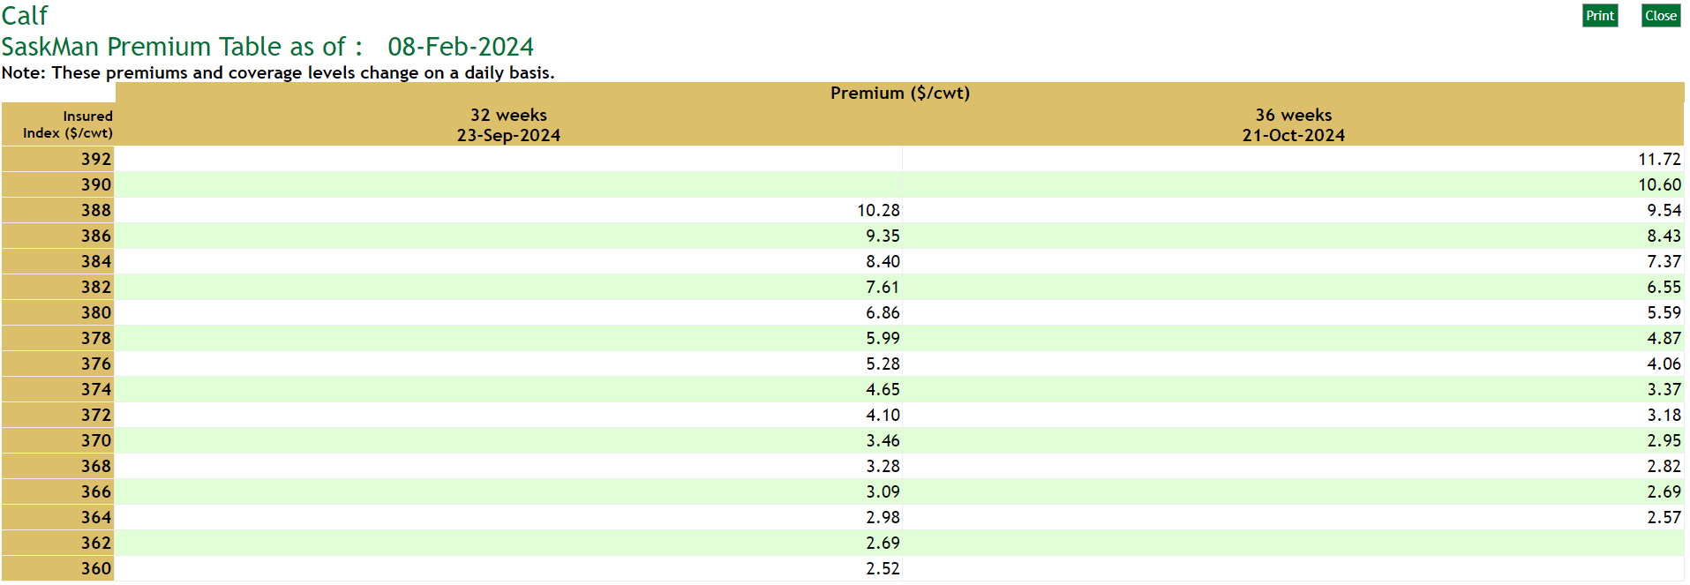
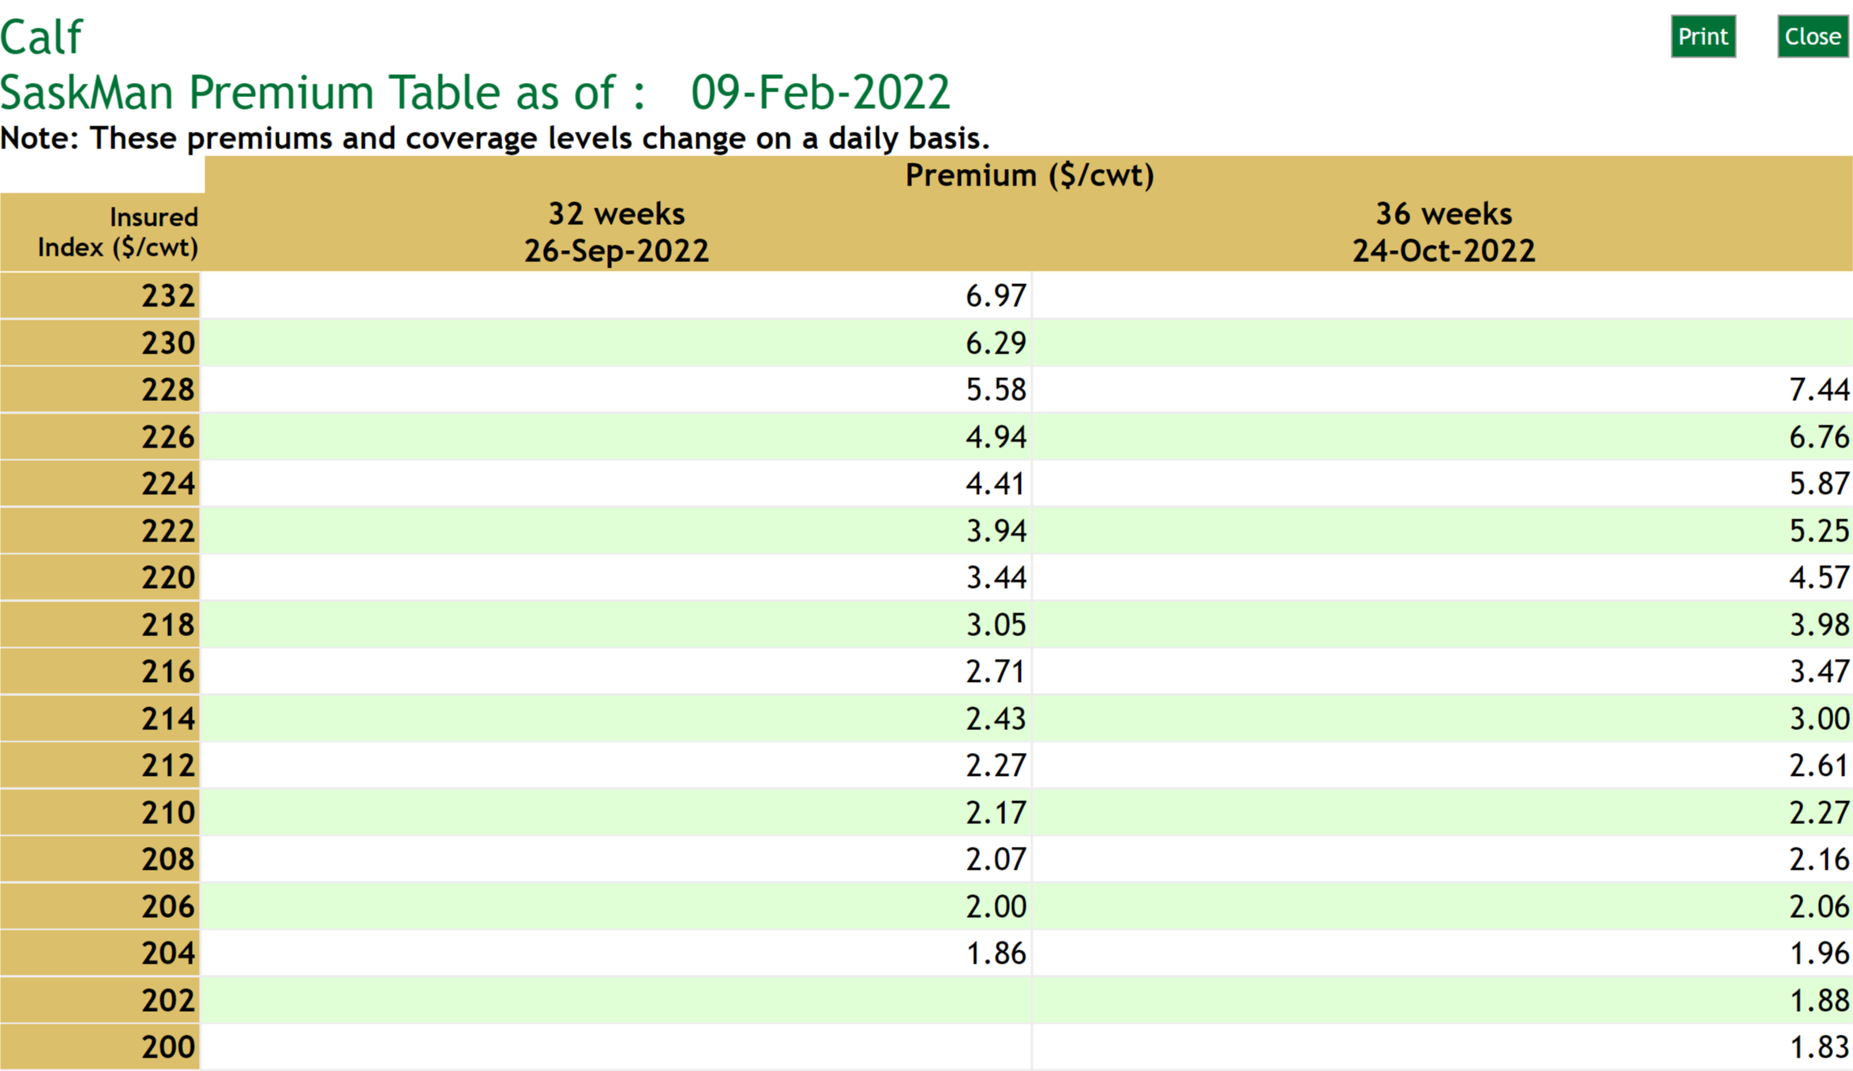

 |  | Enter Insured Index ($/cwt)

 |  | Enter the highest LPI Insured Index for the time period you would like to chose into the calculator. For example, the 36 weeks 08-Feb-2024 highest Insured Index is $392 ($/cwt).

 |  | Enter Premiums ($/cwt)
 |  | Enter the corresponding LPI Premiums ($/cwt) for each Insured Index price into the calculator. For example, the 36 weeks 08-Feb-2024, $392 ($/cwt) premium is $11.72 ($/cwt)

Step #2 - LPI Insured Calves on Your Farm:
 |  | Enter Insured Weight (lbs)
 |  | Enter the Insured Weight (lbs) in the calculator. This could be the average calf market weight per head on your farm, for example - 575 lbs or simply the number of pounds per head that you would like to insure, for example - 100 lbs.

 |  | Enter Number of Calves (head)
 |  | Enter the number of Calves (head) in the calculator. This could be the total number of market calves on your farm, for example - 100 head or simply the number of head that you would like to insure, for example - 10 head.

 |  | Total Insured Weight (lbs)
 |  | Total Insured Weight for your farm - is now calculated at 57,500 lbs.
 |  | Enter Estimated Settlement Price ($/cwt)
 |  | Enter a potential Settlement Price ($/cwt) in the calculator. This would ususally be a value below the highest insured index. For example - $325/cwt. This is used to estimate potential LPI program payments at a lower market price.

 |  | Review Cow-calf Cost of Production Values
 |  | Review and update the cow-calf production costs for your farm. The feed cost is $490/cow, total operating cost including feed is $1190/cow, fixed cost is $251/cow, labour cost is $162/cow and total cost cost is $1603/cow.

 |  | Review your breakeven prices - over operating cost is $218/cwt, over operating and fixed costs is $264/cwt, and over operating, fixed and labour costs is $293/cwt. Knowing your farm's breakeven prices can help determine LPI Insured Index ($/cwt) that adequately manages both your risk and liabilities.

Step #3 - LPI Analysis - Premiums & Insured Value:
 |  | Review Premium Cost
 |  | Premium Cost ($/head) = Insured Weight (cwt) x Premium ($/cwt) (eg. (575lbs /100) x $4.87 = $28.00)
 |  | Review Insured Value
 |  | Insured Value ($/head) = Insured Index ($/cwt) x Insured Weight (cwt) (eg. $378 x (575lbs/100) = $2173.5)
 |  | Review Premium Cost
 |  | Premium Cost (% of Insured Value) = Premium Cost ($/head) / Insured Value ($/head) (eg. $28.00 / $2173.5 = 1.29%),2

 |  | Review Total Premium Cost
 |  | Total premium - if you have a maximum dollar amount that you have decided on for LPI, note the insured index ($/cwt) review the analysis in Step#4 and determine if it is a suitable level of risk coverage for your farm.

 |  | Review Incremental Coverage Cost Cost
 |  | The cost per dollar of increased coverage to move up from the next lower coverage level to a higher level of coverage.

 |  | Incremental Coverage Cost (per $1 of Inc. Coverage) = (Premium Cost - Premium Cost (lower level) / (Insured Value - Insured Value (lower level)) (eg. ($28.00 - $23.35) / ($2173.5 - $2162) = $.41)

Step #4 - Estimated WLPIP Payments & Production Costs Not Covered:
 |  | Review Estimated LPI Payment
 |  | LPI Payment at Estimated Settlement Price = $325/cwt on a per head and total basis.
 |  | LPI Payment ($/head) = (Insured Index ($/cwt) - Estimated Settlement Price ($/cwt))) x (Insured Weight (lbs)/100) (eg. ($378 - $325) x (575 lbs/100) = $304.75)

 |  | Review Production Costs Not Covered by the LPI Insured Price
 |  | Cost Not Covered by LPI Insured Value ($/head) = Cost of Production ($/head) + LPI Premium ($/head) - LPI Insured Value ($/head) (eg. $1603 + $28.00 - $2173.5 = $0)

 |  | Knowing your farm's operating, fixed and labour costs not covered by each LPI Insured Price alongside your breakeven prices (in Step#2 above) can help you determine a LPI Insured Index ($/cwt) that adequately manages both your risk and liabilities.

Step #5 - Profitability Analysis:
 |  | Review Marginal Returns (Profitability)
 |  | Marginal Return ($/head) = ((Est. Settlement Price ($/cwt) x (Insured Weight (lbs) / 100)) + LPI Payment ($/head) - (Costs ($/head) + LPI Premium($/head))) (eg. (($325 x (575 lbs/100)) + $339 - ($1603 + $42.38) = $562.77)

 |  | Knowing your farms profitability at the estimated settlement price plus the LPI payment can help you determine a LPI Insured Index ($/cwt) that adequately manages both your risk and liabilities.

Cost of Production
Back to LPI page
Back to User Guide

Cow-Calf Production Costs - Input

Guidelines for Estimating Beef Cow-Calf Production Costs
For more information on production costs,

A. Operating Costs |  | Cost/Cow
 | 1. Feed Costs
 | 1.01 Grain and Concentrates | $95.72
 | 1.02 Forages | $311.02
 | 1.03 Salt & Minerals | $42.09
 | 1.04 Extended Grazing Forages | $41.65
 | Total Feed Cost | $490.48

 | 2. Other Operating Costs
 | 2.01 Straw | $70.00
 | 2.02 Veterinary Medicine & Supplies | $24.81
 | 2.03 Breeding Costs | $56.62
 | 2.04 Fuel, Maintenance & Repairs | $38.78
 | 2.05 Utilities | $9.48
 | 2.06 Marketing & Transportation | $37.76
 | 2.07 Death Loss | $27.50
 | 2.08 Manure Removal | $10.84
 | 2.09 Insurance | $14.58
 | 2.10 Herd Replacement | $209.40
 | 2.11 Pasture Rental | $56.25
 | 2.12 Pasture Operating | $35.03
 | 2.13 Hired Labour | $54.00
 | 2.14 Miscellaneous | $3.33
 | Subtotal Operating Costs | $1,138.86
 | 2.15 Operating Interest | $51.25
B. Fixed Costs | Total Operating Costs | $1,190.11

 | 3. Fixed Costs
 | 3.01 Livestock | $64.47
 | 3.02 Buildings | $23.49
 | 3.03 Machinery & Equipment | $94.31
 | 3.04 Pasture & Fencing | $68.47
 | Total Fixed Costs | $250.74
 | Total Operating and Fixed Costs | $1,440.85

C. Labour |  | $162.00

Total Cost of Production |  | $1,602.85

Operating Interest Rate |  | 9.00 | %
Average Calf Weight |  | 575 | lbs
Calf Crop (used for breakeven prices) |  | 95 | %

Breakeven Selling Price |  | $/cwt
 | Operating Costs | $218
 | Operating & Labour Costs | $248
 | Operating & Fixed Costs | $264
 | Operating, Fixed & Labour Costs | $293

